1. Title Page
Instacart Grocery Basket Analysis

Project Name: Instacart Grocery Basket Analysis
Date: November 9th, 2023
Analyst Name: Tristan Savella

Contents:
Population Flow
Consistency checks
Wrangling steps
Column derivations
Visualizations
Recommendations

Data Citation | “The Instacart Online Grocery Shopping Dataset 2017”,
 | Accessed from www.instacart.com/datasets/grocery-shopping-2017 via Kaggle on <date>.

 | Customers dataset and "Prices" column in "Products" dataset were fabricated for learning purposes.

2. Population Flow
Title page

Population flow

Exclusion flag
Condition: max_order <
Obervations to be removed:
Final total count of order_products_all:

Orders_products_combined
Orders_products_merged
df_active_customers

Total: 32434212
Total: 32434489
Total: 30992664

1.) The grey boxes in the first row of the population flow represent the original data sets as they were when you downloaded them. In the Total fields you need to add the count of the rows when you imported the data set into Jupyter.
2.) The second row of boxes (coloured) represents the data sets after you manipulated them, e.g., removed missing values and duplicates. In the Total fields you need to add the count of the rows after conducting these operations. This offers a visual oveview of how the data flows throughout the data consistency checks.
3.) The third row, where also the arrows are coloured, represents the merges you performed between the datasets. In the Total fields you need to add the count of the rows in the merged datasets, so that you end up with the final dataset (in the red box). Keep in mind the final dataset should be without exclusions (based on the exclusion flag).

3. Consistency checks
 |  |  |  | Title page
Consistency checks

Dataset | Missing values | Missing values treatment | Duplicates
orders | 206209 in "days_passed_since_last_order" | Left them in | 0
products | 16 for "product_name" | removed and created new csv, "products_checked_4.5.csv" | 5
orders_products_prior | 0 |  | 0
customers | 11259 for "first_name" | Left them in | 0

4. Wrangling steps
 |  |  |  | Title page
Wrangling steps

Columns dropped | Columns renamed | Columns' type changed | Comment/Reason
From dataset: "orders": 'eval_set' |  |  | Not needed
 | From dataset: "orders": {'days_since_prior_order' : 'days_passed_since_last_order'} |  | More intuitive
 | From dataset: "orders": {'order_dow' : 'orders_day_of_week'} |  | dow' meaning is not clear to all
 | From dataset: "customers": {'First Name': 'first_name'} |  | Case consistency
 | From dataset: "customers": {'Surnam': 'last_name'} |  | Case consistency and misspelling
 | From dataset: "customers": {'STATE': 'state'} |  | Case consistency
 | From dataset: "customers": {'Gender': 'gender'} |  | Case consistency
 | From dataset: "customers": {'Age': 'age'} |  | Case consistency

 |  | From dataset: "orders": user_id | Changed from integer to string
 |  | From dataset: "orders": order_id | Changed from integer to string

5. Column derivations
 |  |  |  | Title page

Column derivations and aggregations

In this tab you should add tables below that the frequences of flags/label variables that you produced after deriving them. NB: don't do this for continuous variables, only for flags.
Dataset | New column | Column/s it was derived from | Conditions
ords_prods_merged | busiest_day | orders_day_of_week | 0=busiest das; 4 = least busy; else= regularly busy
ords_prods_merged | busiest_days | orders_day_of_week | 0,1=busiest days; 3,4=least busy days' else=regularly busy
ords_prods_merged | loyalty_flag | max_order (aggregated from from user_id and order_number) | >40=Loyal customer <==40 & >10=Regular Customer <==10=New customer
ords_prods_merged | Spending_Flag | mean_price (aggregated from user_id and prices) | >==10=High spender <10=low spender
ords_prods_merged | Frequency_Flag | median_days_passed (aggregated from user_id and days_passed_since_last_order) | >20=Non-Frequent customer <==20 & >10=Regular customer <==10=Frequent customer
ords_prods_merged | busiest_period_of_day | order_hour_of_day | 9,10,11,12,13,14,15,16 = Most orders 23,0,1,2,3,4,5,6 = Least orders else = Average orders
ords_prods_merged | price_range_loc | price_range | $0-5 = Low-range product $5.01-15 = Mid-range product $15.01+ = High-range product
df_active_customers | income_flag | income | 65k and under = low-income 130k and up = high-income 65k-130k = middle-income

6. Visualizations
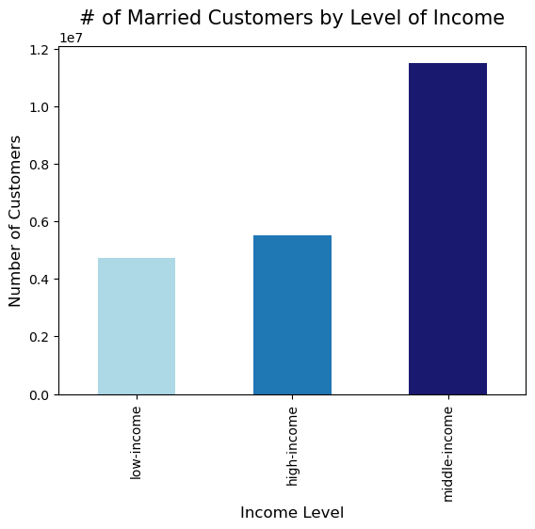
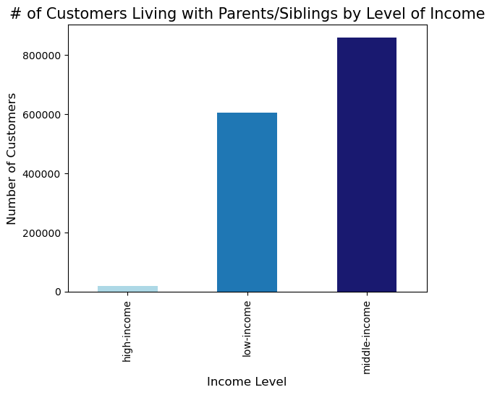
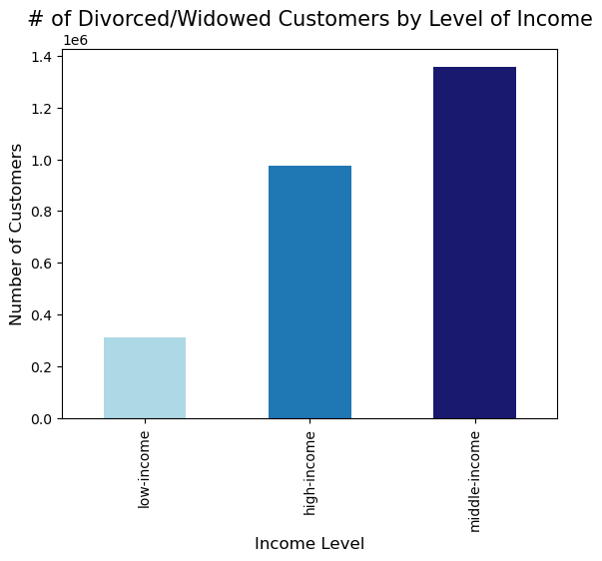
 |  |  |  |  |  | Title page

Visualisations

In this tab you should include all the visualizations from Exercises 4.9 and 4.10, alongside the questions from the project brief that they answer. Include any commentary on the relationship between different variables.

Busy Period: Throughout the Day and Week | What are the busiest days of the week? |  | What is the busiest hour of the day? | Average prices throughout the day

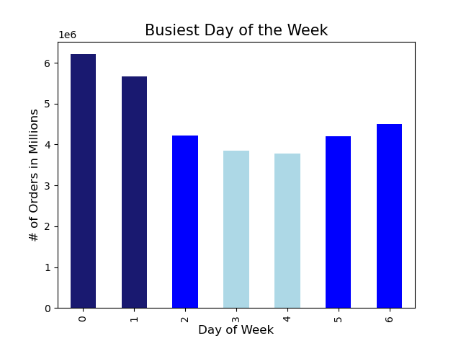

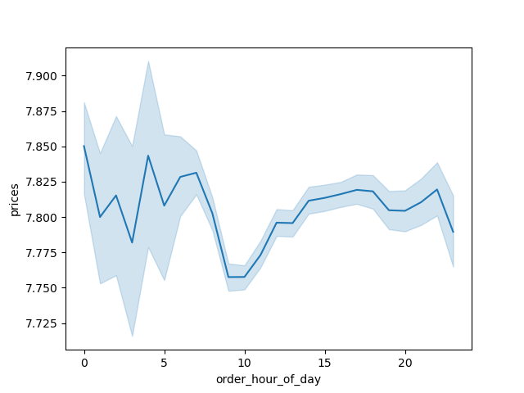
 |  | Legend
 |  | Saturday = 0
 |  | Sunday = 1
 |  | Monday = 2
 |  | Tuesday = 3
 |  | Wednesday = 4
 |  | Thursday = 5
 |  | Friday = 6

Insights | Saturdays and Sundays are the busiest days Tuesdays and Wednesdays are the least busy days |  | Frequency of orders peaks between 9:00-16:00 The highest peak is the hour of 10:00 The hours between 21:00-6:00 are by far the least busy | Unit of "prices" is in USD Prices are at their lowest between the hours of 9:00-10:00, coinciding with the "peak period of order frequency Prices are at their highest 0:00, 4:00 and 7:00: these times are all when total number of orders are low

Customer Overview | What age are Instacart's customers? |  | What are the income levels of Instacart's customers? | Are most customers loyal, regular or new? | What is the distribution of customers by Family Status?

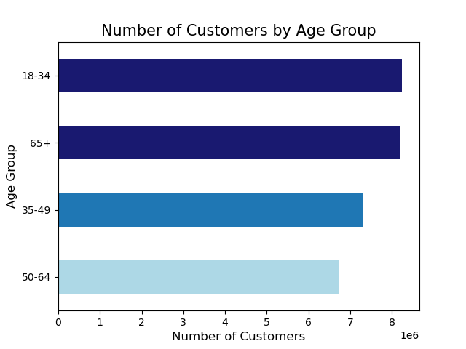
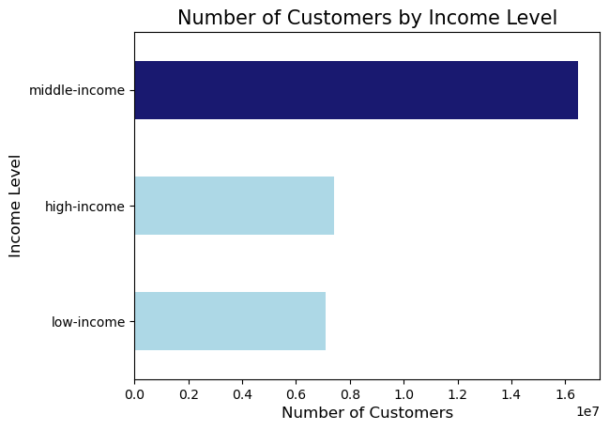
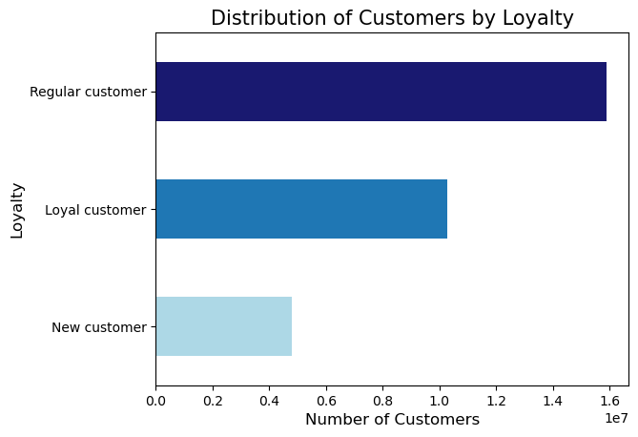
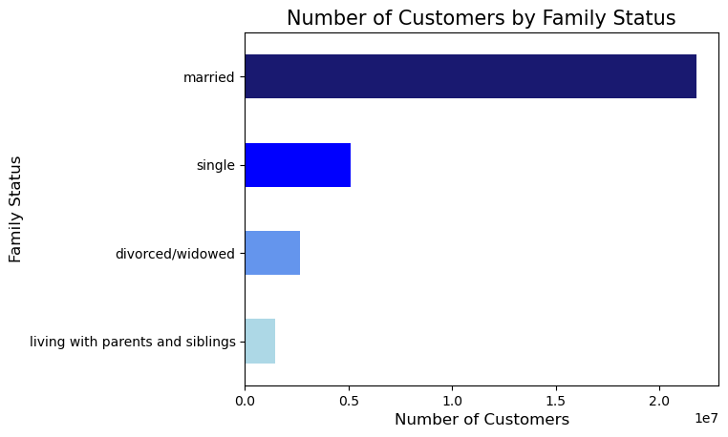

Insights | Instacart customers are fairly evenly distributed by age range, with the highest number of customers being in the 18-34 or 65+ age groups. |  | Middle-income by far account for the highest number of customers There is a similar number of high and low-income customers. | Note* the final dataset excluded "inactive" customers, thereby lowering the count of new customers. Regular customers are the most common type of customers. | A majority of customers are married.

Products Purchased by Price Range | At what price point are the most successful selling products? |  | What are the distribution of items by price range? | Who buys high-range products?

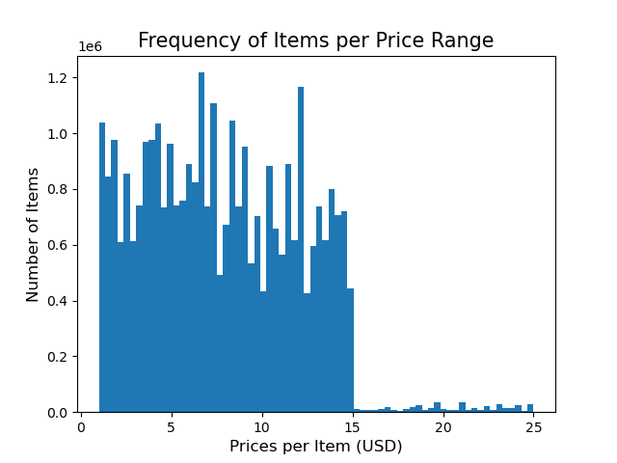
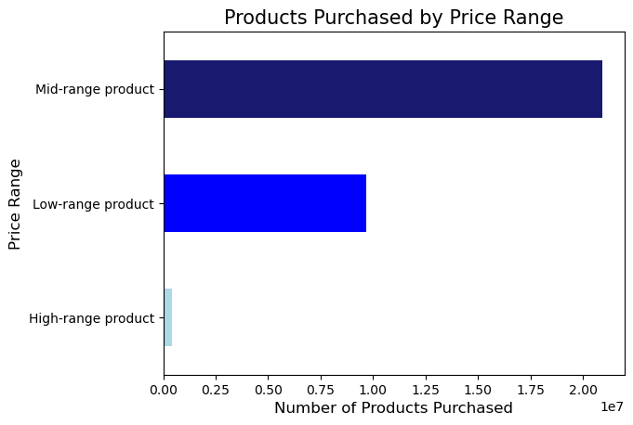
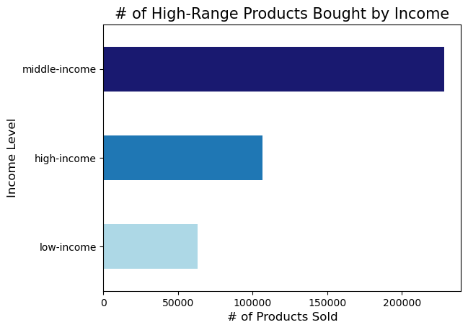
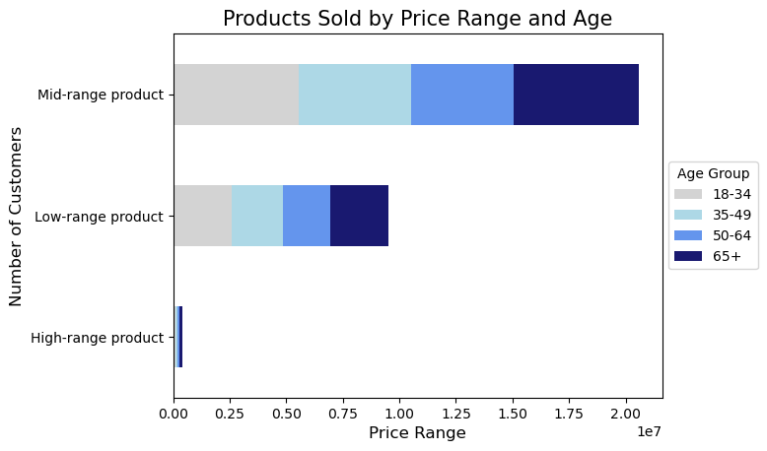

Insights | Low-range product = Products under $5.00 Mid-range product = Products between $5.00-$15.00 High-range prodct = Products over $15.00 (Max price = $25.00) Mid-range prodcuts are by far the best selling products. High-range products sell the least products by far |  | Mid-range products make up the highest proportion of items overall. High-range products make up the lowest proportion of items overall. There is a correlation between the number of items per price range and the number of products sold by price-range | Instacart has a similar number of high and low-income customers. However, there are far more high-income customers than low-income who Middle-income customers bought the most high-range products, however, this is likely due to middle-customers making up for over half of Instacart's overall number of customers. | The distribution of products purchased by price range is fairly even through all age groups

Products Purchased by Department | What is the distribution of products sold by department? |  | By Income Level? | High/Low-Income Group Only | Department Popularity by Age Group |  | By Department and region

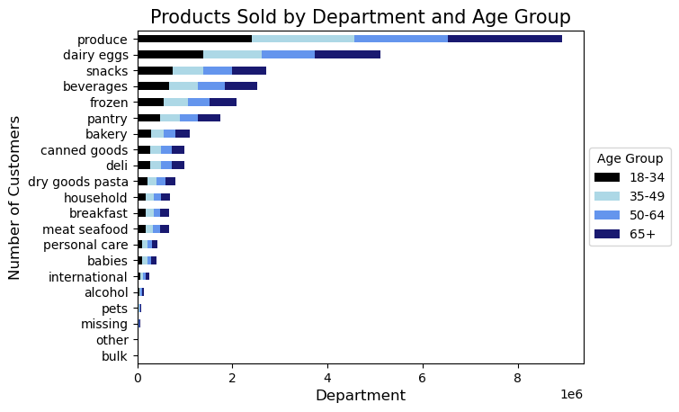
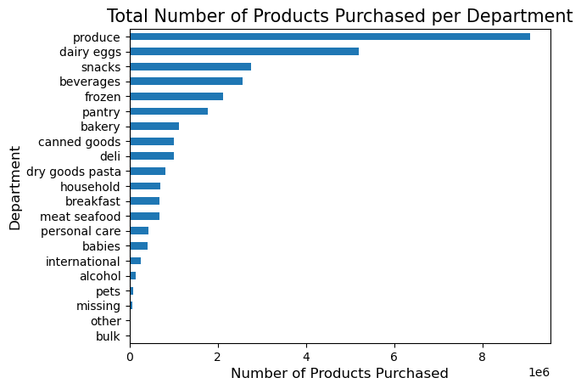
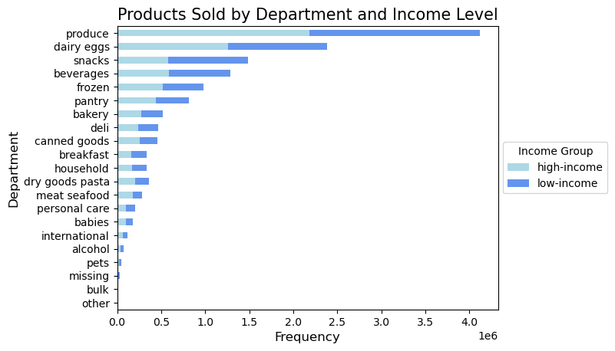
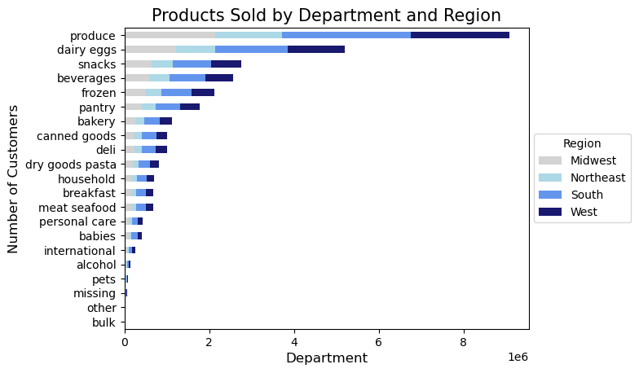
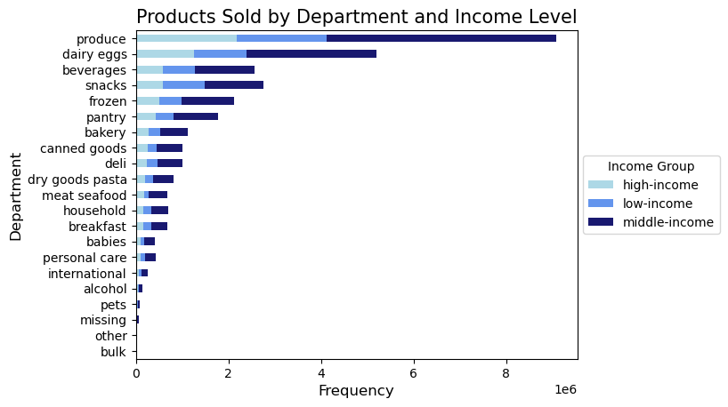

Insights | Produce is the most popular product overall and by all groups. |  |  | Low-Income and High-income customers have similar # of customers but slightly differing preferences: Low-income customers purchase more: snacks, beverages and breakfast Items High-income customers purchase more dairy/eggs and meat/seafood Both groups have produce as their number 1 department (along with middle-income customers)

Who are the high spenders? | Are most customers high or low spenders? |  | High Spenders by Age Group | High Spenders by Income Level | High Spenders by Family Status

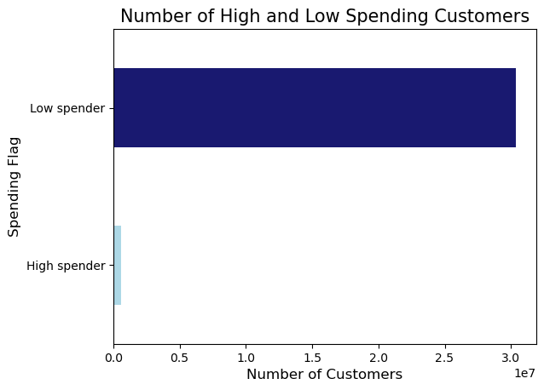
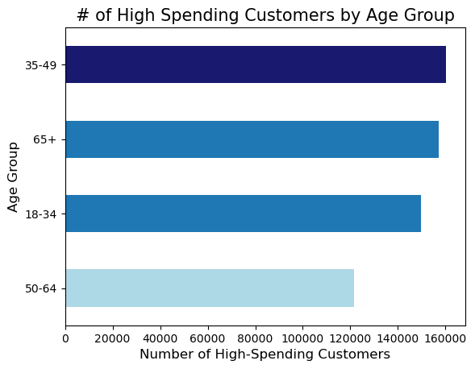
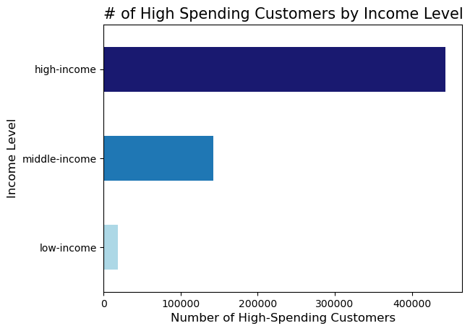
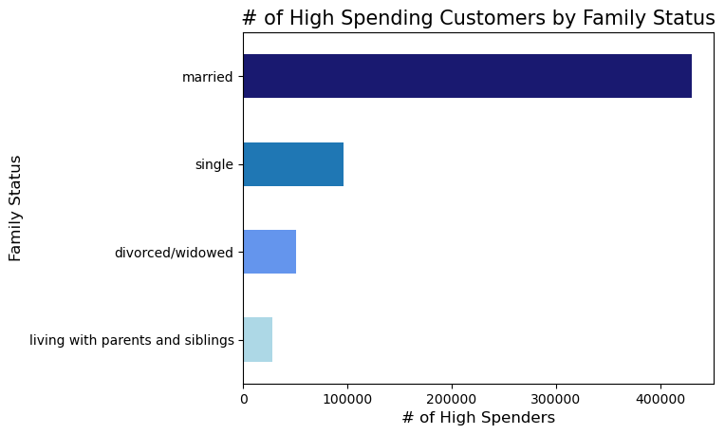

Insights | The vast majority of customers are low spenders. However, there are far fewer high-range products than mid-range and low-range products. |  | The 35-49 age group are the highest spenders on average. The 65+ group spends higher on average than 18-34 despite having a slightly lower number of overall customers. | The majority of high spending customers are high-income customers, although there are far fewer high-income customers than middle-income customers (there is a similar number of low-income customers to middle). | A majority of high-spenders are married (though a majority of all customers are married).

Customer Profile: Income Level | Customer Loyalty by Income |  | Customer Loyalty (middle and low income) | Family by Income Level | Famil

 |  |  |  |  |  |  |  |  |  | INCOME LEVEL BY AGE GROUP
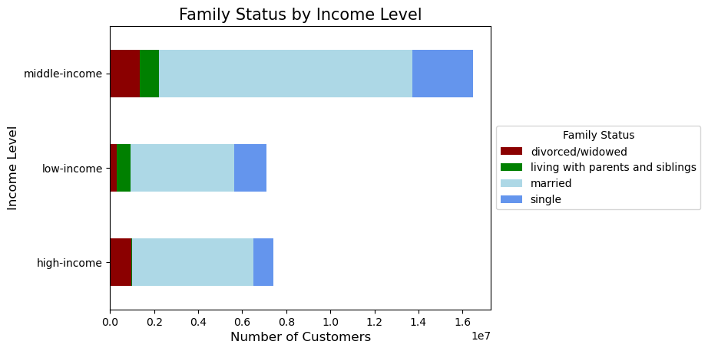
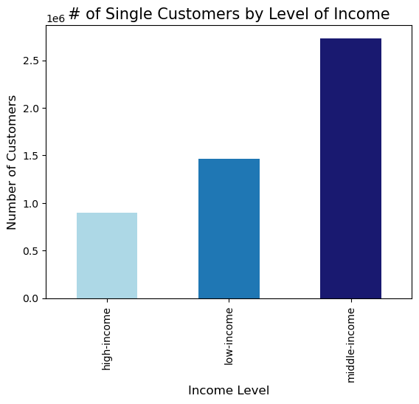
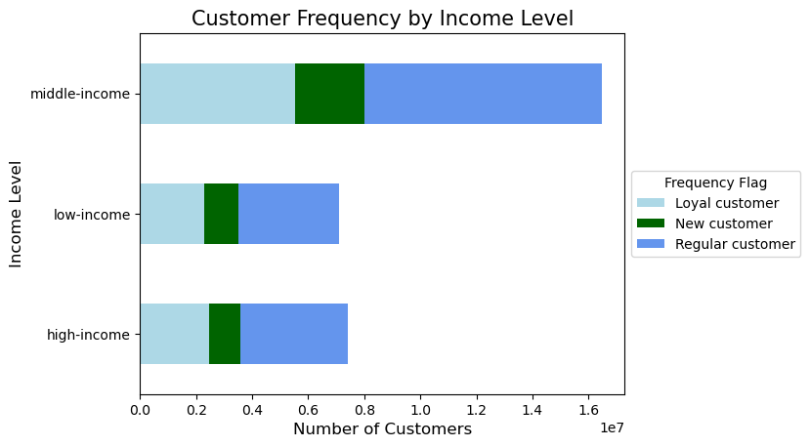
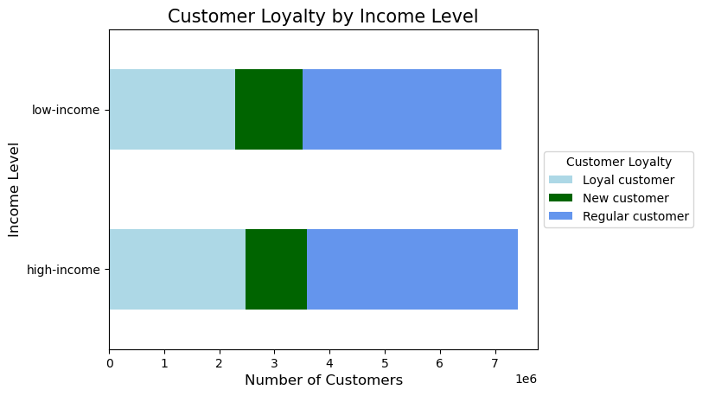


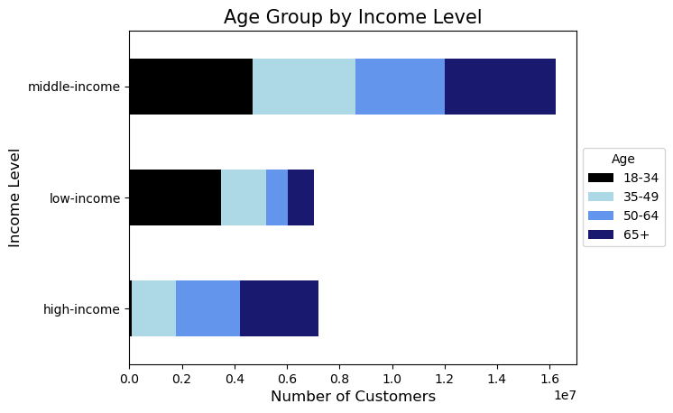

Insights |  |  | There are slightly more new customers who are low-income There are slightly more loyal and regular customers who are high-income | There are very few high-income customers who live with parents/siblings There are very few low-income customers who are divorced/widowed | More high-income customers are married than low-income |  | More low-income customers are single than high-income | Very few low-income customers are widowed/divorced. | Very few high-income customers live with parents/siblings | There is a trend that younger customers on average earn less money than older customers | Nearly half of all low-incomecustomers are 18-34 The vast majority of both middle and high-income are over 34

Customer Profile: Family Status, Age and # of Dependants


 |  |  | Average Number of Dependants by Age
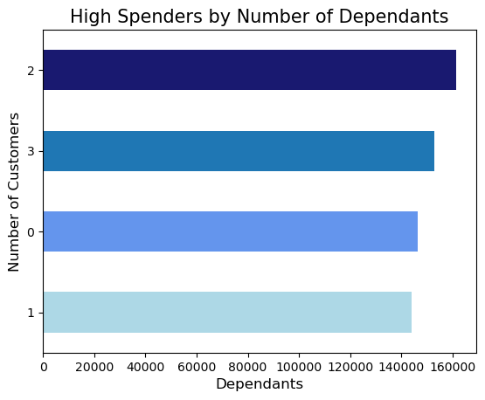
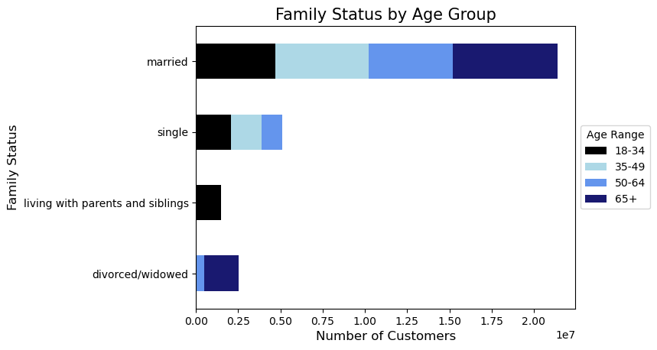
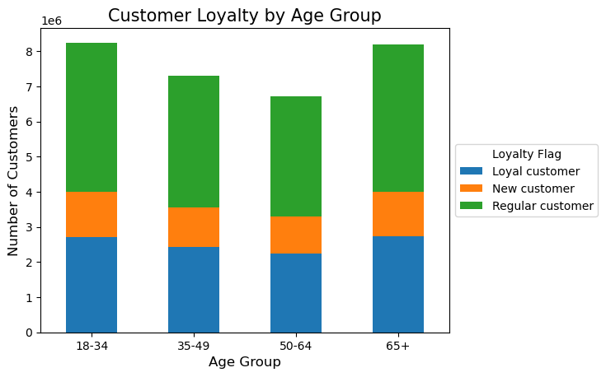

Insights | 18-34 make up the entire age group that live with parents/siblings |  | There are more new customers who are low-income There are more loyal and regular customers who are high-income | There are more high spenders with 2-3 dependants than with 0-1 | Even trend of loyalty status across all age groups

7. Recommendations
 |  | Title page

Recommendations

In this tab you should include any recommendations you would made to Instcart in terms of their marketing strategy based on the questions posed in the brief. Every key question has been covered in the Tasks of the Exercises - here you need to add an item - a visualisation or table/crosstable that is showing the answer in the data, acompanied by a comment from you. Please, list the questions below and add the answer underneath.

Business Questions and Problems | Insights and Recommendations
In order to decide the best time to schedule ads, the sales team needs to know the best time to know the busiest days of the week and hours of the day | Busiest Days of Week 1) Saturdays and Sundays are the busiest days. 2) Tuesdays and Wednesdays are the least busy days. Busiest Hour of Day 1) Frequency of orders peaks between 9:00-16:00. 2) The highest peak is the hour of 10:00 3) The hours between 21:00-6:00 are by far the least busy Recommendations 1) Based on data regarding the busiest days of the week, the best days to schedule ads are Saturdays and Sundays 2) Based on data regarding the busiest time during the day, the best time window to schedule ads are between 9:00-16:00; within this window, 10AM is the highest peak and will likely be the best hour for ads.
Are there specific times of the day people spend the most money per product? | Time of Day with Highest Average Prices Prices are at their highest at 0:00 and 4:00, which are both non-busy periods. Time of Day with Lowest Average Prices Prices are at their lowest between the hours of 9:00 and 11:00, which are both busy periods. Recommendations 1) This data confirms that 0:00 and 4:00 are not recommended times to schedule ads. 2) The window between 9:00-10:00 are a good time to schedule ads, based on the low prices at this time of day (as well as the fact this time period is a busy period).
Marketing and sales want to use simpler price range groupings to help direct their efforts. | Price Range Conditions $0-$5.00 = Low-range product $5.01-$15.00 = Mid-range product $15.01+ = High-range product Key Insights Mid-range products sell the most products by far. High-range products sell the least products by far. There are far fewer high-range products than mid or low-range products. Recommendations: 1) Focus more on advertising mid-range and low-range products, as these are by far more popular than high-range products with all customer groups. 2) There are a few specific groups that are more likely to buy high-range products (which will be mentioned below); limit the advertising of high-range products to these groups only. Increasing the stock of high-range products can be effective if advertised only to select groups.
Are there certain types of products that are more popular than others? The marketing and sales teams want to know which departments have the highest frequency of product orders. | Top 5 Highest Selling Departments 1) Produce 2) Dairy/Eggs 3) Snacks 4) Beverages 5) Frozen High-income customers bought more than low-Income in the following categories: Meat/Seafood, Canned Goods, Dry Goods/Pasta Low-income customers bought more than High-income in the following categories Beverages, Snacks, Breakfast Recommendations 1) Continue to advertise products from the top 5 departments to all groups, especially produce. 2) Advertise more products from Meat/Seafood, Cannod Goods and Dry Goods/Pasta; experiment with raising the prices of these products as high-income customers are more likely to be high-spenders 3) Advertise more products from Beverages, Snacks and Breakfast to low-income customers 4) Offer sales and deals for least popular departments to boost sales
Customer Profiling Details: Age Group | Number of Customers by Age Group 1st. 18-34: 8,249,797 2nd. 65+: 8,202,746 3rd. 35-49: 7,312,428 4th. 50-64: 6,722,462 Customer Insights by Age Group The 35-49 age group has the highest number of high spenders (mean price per object purchased is over $10). A vast majority of middle-income and high-income customers are over the age of 34. There is a trend that older age ranges make more money than younger ones The 18-34 group accounts for 100% of customers who live with parents/siblings Recommendations 1) Experiment with the 18-34 age group by advertising "family deals".
Customer Profiling Details: Income Level | Customers by Income Level # of middle-income customers: 16,470,561 # of high-income customers: 7,407,841 (income over $130k) # of low-income customers: 7,114,262 (income under $65k) Middle-income customers: (income between $65-130k) Make up more than half of all Instacart customers Insights: High-Income customers vs Low-Income customers 1) High-income customers account for a vast majority of high-spending customers(even more than middle income customers). 2) More high-income customers than low-income are loyal or regular customers 3) More low-income customers than high-income are new customers (less than ten orders) 4) High-income customers buy far more high-range products than do low-income customers Recommendations 1) Offer deals on and advertise low-range products to new customers, particularly low-income customers, in order to potentially turn them into loyal customers 2) Only advertise high-range products to high-income customers

